Seasonality
 | 2011 | 2012 | 2013 | 2014 | 2015 | 2016 | 2017 | 2018 | 2019
2011-01-03 | 0.075 | 0.075 | 0.025 | 0.04 | 0.17 | 0.165 | 0.17 | 0.17 | -0.02
2011-01-04 | 0.095 | 0.07 | 0.015 | 0.05 | 0.16 | 0.15 | 0.155 | 0.18 | -0.06
2011-01-05 | 0.125 | 0.07 | 0.025 | 0.05 | 0.15 | 0.135 | 0.145 | 0.175 | -0.02
2011-01-06 | 0.125 | 0.045 | 0.02 | 0.045 | 0.145 | 0.115 | 0.16 | 0.185 | 0
2011-01-07 | 0.105 | 0.045 | 0.015 | 0.05 | 0.135 | 0.12 | 0.155 | 0.185 | 0.025
2011-01-10 | 0.1 | 0.04 | 0.015 | 0.045 | 0.11 | 0.11 | 0.16 | 0.19 | 0.015
2011-01-11 | 0.105 | 0.04 | 0.015 | 0.04 | 0.11 | 0.105 | 0.16 | 0.185 | 0.02
2011-01-12 | 0.095 | 0.04 | 0.015 | 0.04 | 0.105 | 0.095 | 0.16 | 0.19 | 0.02
2011-01-13 | 0.09 | 0.035 | 0.01 | 0.035 | 0.095 | 0.095 | 0.16 | 0.19 | 0.015
2011-01-14 | 0.095 | 0.035 | 0.015 | 0.04 | 0.075 | 0.08 | 0.155 | 0.185 | 0.025
2011-01-18 | 0.085 | 0.035 | 0.015 | 0.04 | 0.085 | 0.075 | 0.17 | 0.205 | 0.025
2011-01-19 | 0.085 | 0.03 | 0.02 | 0.035 | 0.095 | 0.07 | 0.17 | 0.21 | 0.03
2011-01-20 | 0.095 | 0.025 | 0.02 | 0.035 | 0.09 | 0.07 | 0.17 | 0.215 | 0.045
2011-01-21 | 0.085 | 0.02 | 0.02 | 0.035 | 0.095 | 0.08 | 0.15 | 0.215 | 0.035
2011-01-24 | 0.075 | 0.02 | 0.02 | 0.035 | 0.09 | 0.07 | 0.165 | 0.2 | 0.035
2011-01-25 | 0.07 | 0.01 | 0.02 | 0.04 | 0.1 | 0.065 | 0.17 | 0.2 | 0.03
2011-01-26 | 0.08 | 0.01 | 0.04 | 0.04 | 0.095 | 0.075 | 0.16 | 0.2 | 0.045
2011-01-27 | 0.065 | 0.02 | 0.04 | 0.035 | 0.085 | 0.07 | 0.17 | 0.205 | 0.025
2011-01-28 | 0.065 | 0.015 | 0.035 | 0.03 | 0.095 | 0.05 | 0.16 | 0.21 | 0.025
2011-01-31 | 0.075 | 0.01 | 0.03 | 0.035 | 0.085 | #N/A | 0.155 | 0.205 | 0
2011-02-01 | 0.08 | 0 | 0.025 | 0.02 | 0.085 | 0.055 | 0.175 | 0.225 | -0.015
2011-02-02 | 0.09 | 0 | 0.025 | 0.02 | 0.1 | 0.035 | 0.17 | 0.23 | -0.005
2011-02-03 | 0.09 | 0 | 0.025 | 0.02 | 0.095 | 0.035 | 0.17 | 0.19 | -0.005
2011-02-04 | 0.095 | 0.01 | 0.02 | 0.02 | 0.11 | 0.045 | 0.155 | 0.22 | 0
2011-02-07 | 0.085 | 0.02 | 0.02 | 0.01 | 0.15 | 0.06 | 0.155 | 0.2 | -0.005
2011-02-08 | 0.095 | 0 | 0.015 | 0.01 | 0.15 | 0.03 | 0.145 | 0.19 | -0.005
2011-02-09 | 0.085 | 0 | 0.02 | 0.015 | 0.15 | 0.03 | 0.155 | 0.185 | -0.005
2011-02-10 | 0.105 | 0.01 | 0.025 | 0.015 | 0.15 | 0.025 | 0.16 | 0.175 | -0.005
2011-02-11 | 0.1 | 0.03 | 0.025 | 0.015 | 0.14 | 0.01 | 0.1675 | 0.18 | 0.01
2011-02-14 | 0.1 | 0.0175 | 0.02 | 0.01 | 0.14 | 0.03 | 0.1725 | 0.195 | 0
2011-02-15 | 0.1 | 0.0175 | 0.025 | 0.01 | 0.155 | 0.0275 | 0.17 | 0.19 | -0.005
2011-02-16 | 0.085 | 0.03 | 0.0225 | 0.01 | 0.1175 | 0.0425 | 0.1675 | 0.185 | 0
2011-02-17 | 0.0725 | 0.02 | 0.0175 | 0.015 | 0.1275 | 0.035 | 0.175 | 0.19 | -0.0025
2011-02-18 | 0.0625 | 0.025 | 0.0175 | 0.0075 | 0.1275 | 0.055 | 0.1875 | 0.185 | 0.0025
2011-02-22 | 0.0725 | 0.025 | 0.02 | 0.015 | 0.12 | 0.065 | 0.18 | 0.1725 | -0.0025
2011-02-23 | 0.065 | 0.0275 | 0.015 | 0.01 | 0.1075 | 0.045 | 0.1625 | 0.1625 | -0.0025
2011-02-24 | 0.0675 | 0.0425 | 0.02 | 0.0075 | 0.1075 | 0.0425 | 0.1525 | 0.1475 | -0.0075
2011-02-25 | 0.0525 | 0.0175 | 0.025 | 0.0075 | 0.12 | 0.035 | 0.1625 | 0.15 | -0.0025
2011-02-28 | 0.05 | 0.01 | 0.0125 | 0.015 | 0.11 | 0.0775 | 0.1675 | 0.1575 | 0.0125
2011-03-01 | 0.04 | -0.02 | 0.0175 | 0.015 | 0.1175 | 0.08 | 0.1575 | 0.1425 | 0.025
2011-03-02 | 0.055 | -0.0325 | 0.0075 | 0.0125 | 0.115 | 0.08 | 0.175 | 0.1525 | 0.01
2011-03-03 | 0.06 | -0.0175 | 0.01 | 0.0125 | 0.1075 | 0.08 | 0.165 | 0.1375 | 0.015
2011-03-04 | 0.05 | -0.0075 | 0.01 | 0.015 | 0.115 | 0.09 | 0.165 | 0.135 | 0.015
2011-03-07 | 0.0475 | -0.0125 | 0.01 | 0.0175 | 0.145 | 0.115 | 0.175 | 0.1225 | 0.0075
2011-03-08 | 0.0575 | -0.0225 | 0.0175 | 0.015 | 0.1325 | 0.115 | 0.185 | 0.12 | 0.005
2011-03-09 | 0.05 | -0.005 | 0.0125 | 0.02 | 0.1275 | 0.13 | 0.195 | 0.1175 | 0.01
2011-03-10 | 0.05 | -0.0025 | 0.015 | 0.0225 | 0.1225 | 0.1425 | 0.215 | 0.1275 | -0.0025
2011-03-11 | 0.05 | 0.0025 | 0.01 | 0.0175 | 0.1125 | 0.1525 | 0.2275 | 0.1275 | -0.0025
2011-03-14 | 0.05 | -0.0025 | 0.0125 | 0.025 | 0.11 | 0.16 | 0.14 | 0.115 | -0.0075
2011-03-15 | 0.07 | -0.01 | 0.02 | 0.025 | 0.115 | 0.1 | 0.13 | 0.095 | -0.02
...
2016 | 2017 | 2018 | 2019 | 2020 | 2021
0.165 | 0.17 | 0.17 | -0.02 | -0.05 | -0.01
0.15 | 0.155 | 0.18 | -0.06 | -0.075 | -0.005
0.135 | 0.145 | 0.175 | -0.02 | -0.08 | -0.005
0.115 | 0.16 | 0.185 | 0 | -0.075 | 0
0.12 | 0.155 | 0.185 | 0.025 | -0.065 | -0.01
0.11 | 0.16 | 0.19 | 0.015 | -0.065 | -0.005
0.105 | 0.16 | 0.185 | 0.02 | -0.065 | -0.005
0.095 | 0.16 | 0.19 | 0.02 | -0.065 | -0.01
0.095 | 0.16 | 0.19 | 0.015 | -0.07 | -0.005
0.08 | 0.155 | 0.185 | 0.025 | -0.065 | -0.01
0.075 | 0.17 | 0.205 | 0.025 | -0.065 | -0.015
0.07 | 0.17 | 0.21 | 0.03 | -0.06 | -0.015
0.07 | 0.17 | 0.215 | 0.045 | -0.075 | -0.015
0.08 | 0.15 | 0.215 | 0.035 | -0.08 | -0.01
0.07 | 0.165 | 0.2 | 0.035 | -0.08 | -0.015
0.065 | 0.17 | 0.2 | 0.03 | -0.09 | -0.015
0.075 | 0.16 | 0.2 | 0.045 | -0.105 | -0.01
0.07 | 0.17 | 0.205 | 0.025 | -0.09 | -0.01
0.05 | 0.16 | 0.21 | 0.025 | -0.11 | -0.015
#N/A | 0.155 | 0.205 | 0 | -0.11 | #N/A
0.055 | 0.175 | 0.225 | -0.015 | -0.13 | -0.005
0.035 | 0.17 | 0.23 | -0.005 | -0.1 | 0
0.035 | 0.17 | 0.19 | -0.005 | -0.085 | -0.01
0.045 | 0.155 | 0.22 | 0 | -0.09 | -0.005
0.06 | 0.155 | 0.2 | -0.005 | -0.11 | 0
0.03 | 0.145 | 0.19 | -0.005 | -0.11 | -0.005
0.03 | 0.155 | 0.185 | -0.005 | -0.1 | -0.005
0.025 | 0.16 | 0.175 | -0.005 | -0.095 | -0.005
0.01 | 0.1675 | 0.18 | 0.01 | -0.09 | -0.005
0.03 | 0.1725 | 0.195 | 0 | -0.105 | -0.005
0.0275 | 0.17 | 0.19 | -0.005 | -0.12 | -0.0075
0.0425 | 0.1675 | 0.185 | 0 | -0.1225 | -0.0075
0.035 | 0.175 | 0.19 | -0.0025 | -0.1325 | -0.0125
0.055 | 0.1875 | 0.185 | 0.0025 | -0.1725 | -0.0075
0.065 | 0.18 | 0.1725 | -0.0025 | -0.2325 | -0.0075
0.045 | 0.1625 | 0.1625 | -0.0025 | -0.2275 | -0.01
0.0425 | 0.1525 | 0.1475 | -0.0075 | -0.255 | -0.01
0.035 | 0.1625 | 0.15 | -0.0025 | -0.29 | -0.0125
0.0775 | 0.1675 | 0.1575 | 0.0125 | -0.3225 | -0.015
0.08 | 0.1575 | 0.1425 | 0.025 | -0.2775 | -0.015
0.08 | 0.175 | 0.1525 | 0.01 | -0.235 | -0.0125
0.08 | 0.165 | 0.1375 | 0.015 | -0.2425 | -0.0225
0.09 | 0.165 | 0.135 | 0.015 | -0.2525 | -0.01
0.115 | 0.175 | 0.1225 | 0.0075 | -0.3075 | -0.0175
0.115 | 0.185 | 0.12 | 0.005 | -0.3075 | -0.02
...

Analysis
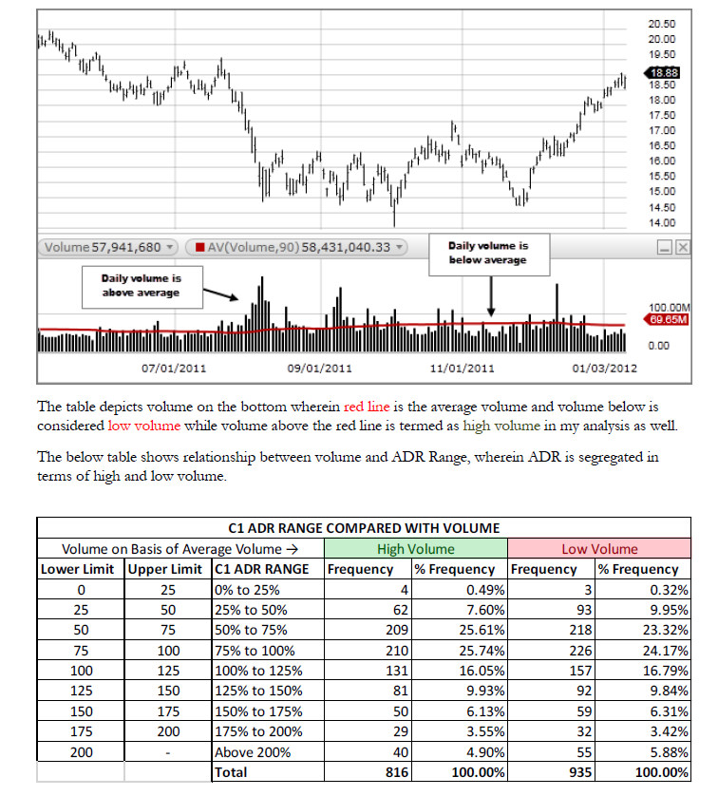
Overall Rolling Correlation
2/14/2011 | 0.88265630764
2/15/2011 | 0.88742843658
2/16/2011 | 0.89119842503
2/17/2011 | 0.89919008569
2/18/2011 | 0.87290676541
2/22/2011 | 0.84058494988
2/23/2011 | 0.80235793217
2/24/2011 | 0.73717182985
2/25/2011 | 0.71998557721
2/28/2011 | 0.74908204279
3/1/2011 | 0.76988428703
3/2/2011 | 0.78561298683
3/3/2011 | 0.79826564925
3/4/2011 | 0.80926272979
3/7/2011 | 0.82090965393
3/8/2011 | 0.83352517408
3/9/2011 | 0.85444275397
3/10/2011 | 0.86314063922
3/11/2011 | 0.88135699339
3/14/2011 | 0.91377262299
3/15/2011 | 0.88191855328
3/16/2011 | 0.81401909117
3/17/2011 | 0.80674867416
3/18/2011 | 0.81190978484
3/21/2011 | 0.83004046928
3/22/2011 | 0.85091264442
3/23/2011 | 0.87628527668
3/24/2011 | 0.89482483757
3/25/2011 | 0.91356023665
3/28/2011 | 0.92689306395
3/29/2011 | 0.93583396695
3/30/2011 | 0.93824181082
3/31/2011 | 0.94252994351
4/1/2011 | 0.93629683686
4/4/2011 | 0.92961376478
4/5/2011 | 0.91513049853
4/6/2011 | 0.89389012792
4/7/2011 | 0.88325054929
4/8/2011 | 0.87000239944
4/11/2011 | 0.8566571357
4/12/2011 | 0.86187184169
4/13/2011 | 0.86784747363
4/14/2011 | 0.86707554197
4/15/2011 | 0.87277478956
4/18/2011 | 0.87800597526
4/19/2011 | 0.87905894532
4/20/2011 | 0.88451880477
4/21/2011 | 0.88830334628
4/25/2011 | 0.89301914325
4/26/2011 | 0.89828287419
...

Yearly Rolling Correlation | 2019

 | Rolling Correlation
2011-02-14 | 0.83269518791
2011-02-15 | 0.86108716901
2011-02-16 | 0.92205041675
2011-02-17 | 0.95313785732
2011-02-18 | 0.96228631429
2011-02-22 | 0.96304161796
2011-02-23 | 0.96548361755
2011-02-24 | 0.96746195285
2011-02-25 | 0.9678738811
2011-02-28 | 0.96445610474
2011-03-01 | 0.95369626145
2011-03-02 | 0.95109338536
2011-03-03 | 0.94585748168
2011-03-04 | 0.94058498589
2011-03-07 | 0.93612687823
2011-03-08 | 0.93131346996
2011-03-09 | 0.92353817049
2011-03-10 | 0.93331143447
2011-03-11 | 0.92992364174
2011-03-14 | 0.93354170373
2011-03-15 | 0.90956812937
2011-03-16 | 0.90079305802
2011-03-17 | 0.88023184708
2011-03-18 | 0.84047593513
2011-03-21 | 0.76723391763
2011-03-22 | 0.77496450603
2011-03-23 | 0.86843951609
2011-03-24 | 0.90371397341
2011-03-25 | 0.93509587829
2011-03-28 | 0.94380367881
2011-03-29 | 0.95248131933
2011-03-30 | 0.96256101007
2011-03-31 | 0.96488496792
2011-04-01 | 0.96530280823
2011-04-04 | 0.96454274072
2011-04-05 | 0.96401017372
2011-04-06 | 0.96314860327
2011-04-07 | 0.96274737354
2011-04-08 | 0.95879580202
2011-04-11 | 0.95539742405
2011-04-12 | 0.96254810185
2011-04-13 | 0.96144396748
2011-04-14 | 0.95969230065
2011-04-15 | 0.96182204853
2011-04-18 | 0.96219088743
2011-04-19 | 0.96304183927
2011-04-20 | 0.9616029401
2011-04-21 | 0.96100902137
2011-04-25 | 0.95736642194
2011-04-26 | 0.95315006803
...

Month on Month avg Correlation
 | 2011 | 2012 | 2013 | 2014 | 2015 | 2016 | 2017 | 2018 | 2019 | 2020 | 2021
Feb | 0.82825623522 | 0.97988415396 | 0.82385160436 | 0.95202724732 | 0.792308691 | 0.89646657894 | 0.93941074507 | 0.98154200897 | 0.93595741195 | 0.97077905036 | 0.89068292948
Mar | 0.85886486277 | 0.82698059742 | 0.95487592945 | 0.88811409419 | 0.80446015491 | 0.70230065204 | 0.96397726161 | 0.97662425249 | 0.91231457175 | 0.98180955492 | 0.5702798578
Apr | 0.89072647793 | 0.87667014265 | 0.98470789258 | 0.92758238853 | 0.98386806329 | 0.85614134352 | 0.92274779606 | 0.97298760337 | 0.95803151019 | 0.85651197056 | -0.097624487296
May | 0.89988487487 | 0.89199729533 | 0.90624334501 | 0.82654757986 | 0.94532313677 | 0.87752131228 | 0.91460072848 | 0.81443371842 | 0.93548254255 | 0.96145144992 | 0.80672914925
Jun | 0.82745926934 | 0.82470809232 | 0.62234092363 | 0.79553443997 | 0.87388558931 | 0.93905633222 | 0.88920299875 | 0.84745105392 | 0.92035462442 | 0.38210224291 | 0.83521333369
Jul | 0.95634433472 | 0.85951765129 | 0.96243031129 | 0.87079809393 | 0.97579268661 | 0.93290036945 | 0.95905972965 | 0.92356062374 | 0.89950815318 | 0.45624483759 | 0.82340034902
Aug | 0.83406787047 | 0.93322512751 | 0.90191860951 | 0.5354407425 | 0.92762356566 | 0.96304994694 | 0.73237286369 | 0.48995771555 | 0.93716733241 | 0.91425052621 | 0.74477434761
Sep | 0.35027013743 | 0.79943351813 | 0.8388015902 | 0.7778823198 | 0.93160242409 | 0.88560168971 | 0.84707414067 | 0.85666869811 | 0.940013146 | -0.033912204076 | -0.2338966098
Oct | 0.72783706931 | 0.61397457821 | 0.952892937 | 0.81927954828 | 0.96167656102 | 0.86058813846 | 0.96304125804 | 0.97931007817 | 0.93455667483 | -0.26946129235 | -0.24900600762
Nov | 0.96982227967 | 0.93325424104 | 0.94830207165 | 0.37911133915 | 0.97436449368 | 0.94425818769 | 0.92003733904 | 0.66180171853 | 0.83192569165 | 0.48278292327 | 0.91519747493
Dec | 0.93944106799 | 0.7944065842 | 0.90392823111 | 0.71764126659 | 0.97306257458 | 0.98598822944 | 0.95609669 | -0.052988548645 | 0.38511305452 | 0.71550081061 | 0.54686434025

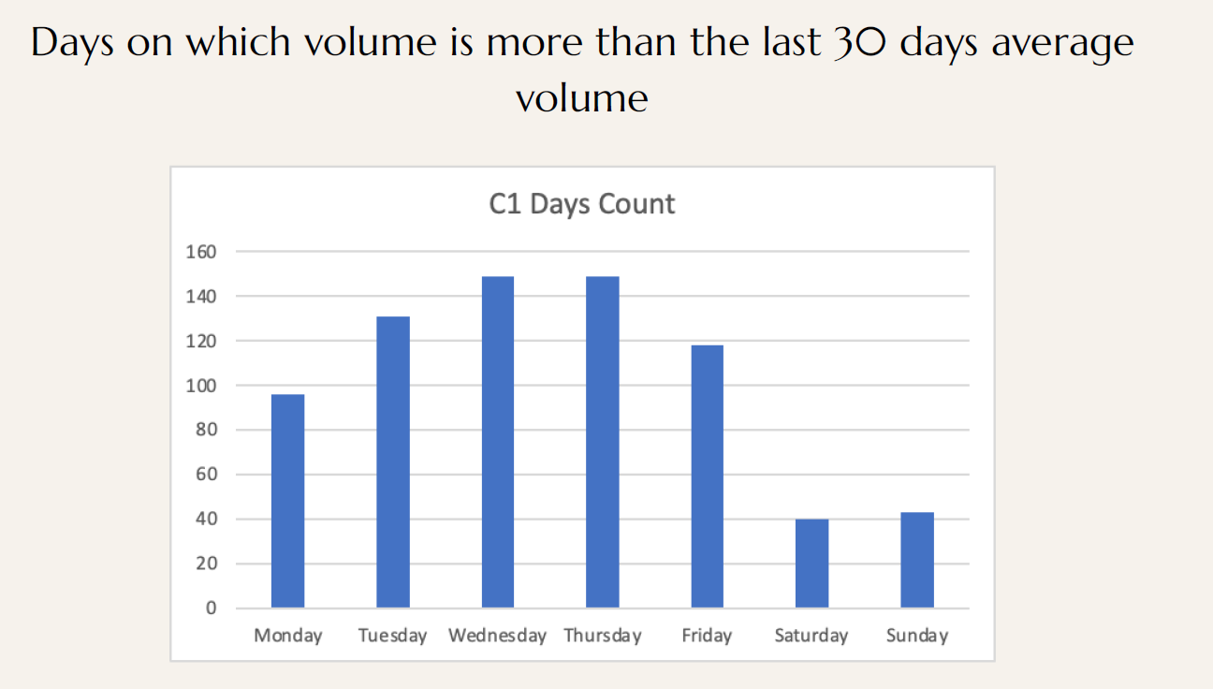

 | 2011 | 2012 | 2013 | 2014 | 2015 | 2016 | 2017 | 2018 | 2019
2011-01-03 | 0.075 | 0.075 | 0.025 | 0.04 | 0.17 | 0.165 | 0.17 | 0.17 | -0.02
2011-01-04 | 0.095 | 0.07 | 0.015 | 0.05 | 0.16 | 0.15 | 0.155 | 0.18 | -0.06
2011-01-05 | 0.125 | 0.07 | 0.025 | 0.05 | 0.15 | 0.135 | 0.145 | 0.175 | -0.02
2011-01-06 | 0.125 | 0.045 | 0.02 | 0.045 | 0.145 | 0.115 | 0.16 | 0.185 | 0
2011-01-07 | 0.105 | 0.045 | 0.015 | 0.05 | 0.135 | 0.12 | 0.155 | 0.185 | 0.025
2011-01-10 | 0.1 | 0.04 | 0.015 | 0.045 | 0.11 | 0.11 | 0.16 | 0.19 | 0.015
2011-01-11 | 0.105 | 0.04 | 0.015 | 0.04 | 0.11 | 0.105 | 0.16 | 0.185 | 0.02
2011-01-12 | 0.095 | 0.04 | 0.015 | 0.04 | 0.105 | 0.095 | 0.16 | 0.19 | 0.02
2011-01-13 | 0.09 | 0.035 | 0.01 | 0.035 | 0.095 | 0.095 | 0.16 | 0.19 | 0.015
2011-01-14 | 0.095 | 0.035 | 0.015 | 0.04 | 0.075 | 0.08 | 0.155 | 0.185 | 0.025
2011-01-18 | 0.085 | 0.035 | 0.015 | 0.04 | 0.085 | 0.075 | 0.17 | 0.205 | 0.025
2011-01-19 | 0.085 | 0.03 | 0.02 | 0.035 | 0.095 | 0.07 | 0.17 | 0.21 | 0.03
2011-01-20 | 0.095 | 0.025 | 0.02 | 0.035 | 0.09 | 0.07 | 0.17 | 0.215 | 0.045
2011-01-21 | 0.085 | 0.02 | 0.02 | 0.035 | 0.095 | 0.08 | 0.15 | 0.215 | 0.035
2011-01-24 | 0.075 | 0.02 | 0.02 | 0.035 | 0.09 | 0.07 | 0.165 | 0.2 | 0.035
2011-01-25 | 0.07 | 0.01 | 0.02 | 0.04 | 0.1 | 0.065 | 0.17 | 0.2 | 0.03
2011-01-26 | 0.08 | 0.01 | 0.04 | 0.04 | 0.095 | 0.075 | 0.16 | 0.2 | 0.045
2011-01-27 | 0.065 | 0.02 | 0.04 | 0.035 | 0.085 | 0.07 | 0.17 | 0.205 | 0.025
2011-01-28 | 0.065 | 0.015 | 0.035 | 0.03 | 0.095 | 0.05 | 0.16 | 0.21 | 0.025
2011-01-31 | 0.075 | 0.01 | 0.03 | 0.035 | 0.085 | #N/A | 0.155 | 0.205 | 0
2011-02-01 | 0.08 | 0 | 0.025 | 0.02 | 0.085 | 0.055 | 0.175 | 0.225 | -0.015
2011-02-02 | 0.09 | 0 | 0.025 | 0.02 | 0.1 | 0.035 | 0.17 | 0.23 | -0.005
2011-02-03 | 0.09 | 0 | 0.025 | 0.02 | 0.095 | 0.035 | 0.17 | 0.19 | -0.005
2011-02-04 | 0.095 | 0.01 | 0.02 | 0.02 | 0.11 | 0.045 | 0.155 | 0.22 | 0
2011-02-07 | 0.085 | 0.02 | 0.02 | 0.01 | 0.15 | 0.06 | 0.155 | 0.2 | -0.005
2011-02-08 | 0.095 | 0 | 0.015 | 0.01 | 0.15 | 0.03 | 0.145 | 0.19 | -0.005
2011-02-09 | 0.085 | 0 | 0.02 | 0.015 | 0.15 | 0.03 | 0.155 | 0.185 | -0.005
2011-02-10 | 0.105 | 0.01 | 0.025 | 0.015 | 0.15 | 0.025 | 0.16 | 0.175 | -0.005
2011-02-11 | 0.1 | 0.03 | 0.025 | 0.015 | 0.14 | 0.01 | 0.1675 | 0.18 | 0.01
2011-02-14 | 0.1 | 0.0175 | 0.02 | 0.01 | 0.14 | 0.03 | 0.1725 | 0.195 | 0
2011-02-15 | 0.1 | 0.0175 | 0.025 | 0.01 | 0.155 | 0.0275 | 0.17 | 0.19 | -0.005
2011-02-16 | 0.085 | 0.03 | 0.0225 | 0.01 | 0.1175 | 0.0425 | 0.1675 | 0.185 | 0
2011-02-17 | 0.0725 | 0.02 | 0.0175 | 0.015 | 0.1275 | 0.035 | 0.175 | 0.19 | -0.0025
2011-02-18 | 0.0625 | 0.025 | 0.0175 | 0.0075 | 0.1275 | 0.055 | 0.1875 | 0.185 | 0.0025
2011-02-22 | 0.0725 | 0.025 | 0.02 | 0.015 | 0.12 | 0.065 | 0.18 | 0.1725 | -0.0025
2011-02-23 | 0.065 | 0.0275 | 0.015 | 0.01 | 0.1075 | 0.045 | 0.1625 | 0.1625 | -0.0025
2011-02-24 | 0.0675 | 0.0425 | 0.02 | 0.0075 | 0.1075 | 0.0425 | 0.1525 | 0.1475 | -0.0075
2011-02-25 | 0.0525 | 0.0175 | 0.025 | 0.0075 | 0.12 | 0.035 | 0.1625 | 0.15 | -0.0025
2011-02-28 | 0.05 | 0.01 | 0.0125 | 0.015 | 0.11 | 0.0775 | 0.1675 | 0.1575 | 0.0125
2011-03-01 | 0.04 | -0.02 | 0.0175 | 0.015 | 0.1175 | 0.08 | 0.1575 | 0.1425 | 0.025
2011-03-02 | 0.055 | -0.0325 | 0.0075 | 0.0125 | 0.115 | 0.08 | 0.175 | 0.1525 | 0.01
2011-03-03 | 0.06 | -0.0175 | 0.01 | 0.0125 | 0.1075 | 0.08 | 0.165 | 0.1375 | 0.015
2011-03-04 | 0.05 | -0.0075 | 0.01 | 0.015 | 0.115 | 0.09 | 0.165 | 0.135 | 0.015
2011-03-07 | 0.0475 | -0.0125 | 0.01 | 0.0175 | 0.145 | 0.115 | 0.175 | 0.1225 | 0.0075
2011-03-08 | 0.0575 | -0.0225 | 0.0175 | 0.015 | 0.1325 | 0.115 | 0.185 | 0.12 | 0.005
2011-03-09 | 0.05 | -0.005 | 0.0125 | 0.02 | 0.1275 | 0.13 | 0.195 | 0.1175 | 0.01
2011-03-10 | 0.05 | -0.0025 | 0.015 | 0.0225 | 0.1225 | 0.1425 | 0.215 | 0.1275 | -0.0025
2011-03-11 | 0.05 | 0.0025 | 0.01 | 0.0175 | 0.1125 | 0.1525 | 0.2275 | 0.1275 | -0.0025
2011-03-14 | 0.05 | -0.0025 | 0.0125 | 0.025 | 0.11 | 0.16 | 0.14 | 0.115 | -0.0075
2011-03-15 | 0.07 | -0.01 | 0.02 | 0.025 | 0.115 | 0.1 | 0.13 | 0.095 | -0.02
...

